Overview
Project tracker

Use this template to record important project information such as major milestones and specific tasks. | TIMELINE TEMPLATES by Vertex42.com https://www.vertex42.com/ExcelTemplates/timeline.html

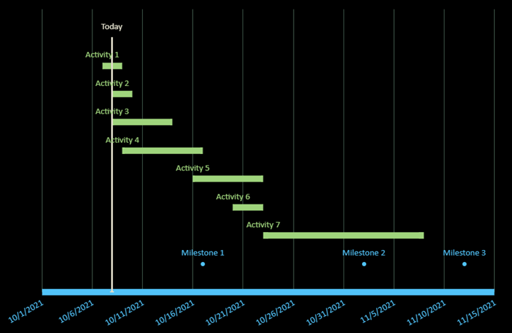
 | • Insert and delete entire rows when editing the data tables
 | • Avoid leaving the label column blank
 | • Format individual data labels or markers to highlight specific events

